PO
 | PURCHASE ORDER

EXPORTER: | DATE:
 | REFERENCE:
 | SHIPMENT TERMS:
 | SHIPMENT MODE:
 | PAYMENT TERMS:

IMPORTER REPRESENTATIVE: | SHIP TO:

DESCRIPTION | QTY | UM | UNIT PRICE | AMOUNT

Amount in words: |  |  | SUBTOTAL | € -
 |  |  | OTHER | -
 |  |  | TOTAL | € -

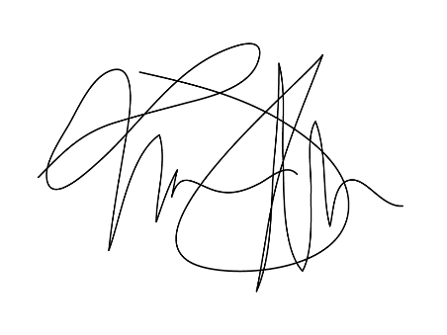
PREPARED BY: | ORIGIN: France
 | LOADING PORT: Port of Vincennes - France
 | DISCHARGE PORT: Port of Shanghai China

_____________________________________

SQ
 | QUOTATION

EXPORTER: | DATE:
 | REFERENCE:
 | SHIPMENT TERMS:
 | SHIPMENT MODE:
SHIP TO: | PAYMENT TERMS:

DESCRIPTION | QTY | UM | UNIT PRICE | AMOUNT

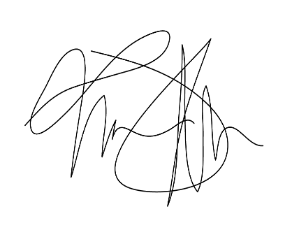

Amount in words: |  |  | SUBTOTAL | € -
 |  |  | OTHER | -
 |  |  | TOTAL | € -
PREPARED BY:

_____________________________________

ORIGIN: France
LOADING PORT: Port of Vincennes - France
DISCHARGE PORT: Port of Shanghai China

 |  | Kindly sign and stamp to accept here

